Part 2. Resilience Results
Community Energy Resilience Score This page presents your overall energy resilience score and highlights specific patterns of vulnerability and resilience in the event of an extended power outage. You must complete the scoring for all 8 vital services on all 4 worksheets for this summary dashboard to work/calculate correctly. |  |  |  |  | My Town

Community Energy Resilience Score
 | Needle | Scoring scale 2
Highly Vulnerable | 0 | 0.15
Weak Resilience | 0.09 | 0.8
Basic Resilience | 0 | 1
Good Resilience |  | 1
High Resilience |  | 1
Extreme Resilience |  | 0.15
Omitted |  | 4.05
 | About Your Overall Score

 | Your overall Community Energy Resilience Score represents the average score for |  | 32 | services (out of 32)
 | that are located in your community.

 | 0% | of the vital services in your community have either weak energy resilience or are highly vulnerable in an outage.

 | 0% | of the vital services in your community have either high or extreme energy resilience.

Resilience Levels of the Individual Vital Energy Services
Highly Vulnerable | 0
Weak Resilience | 0
Basic Resilience | 0
Good Resilience | 0
High Resilience | 0
Extreme Resilience | 0

#DIV/0!

 | The overall energy resilience score is a simple average that can hide important details about the distribution of your community's vulnerability and strength in an extended power outage. The chart above shows you how many vital services fall into each resilience rating.

Energy Resilience Scores for the Four Community Outage Impact Areas
 |  | Community Average Energy Resilience Score
Public Health & Safety | 0.0 | 0.0
Emergency management | 0.0 | 0.0
Community Necessities | 0.0 | 0.0
Support of Vulnerable Households | 0.0 | 0.0

Understanding Your Score and Next Steps

Your community energy resilience ratings and scores are measures of how well your community can potentially cope with and recover from electric power outages of different lengths of time. The higher the rating or score, the better prepared you are to provide vital community services--with little disruption--for longer periods of time. The scores measure only the resilience of services actually located in or very near your community. The fewer services that you have, the more dependent you are on other places and organizations to support your community during an outage. The score isn't a complete picture of your energy resilience and vulnerabilities, and it could overstate or understate what is "true." In addition, the scoring includes types of household vulnerabilities that may not be present in your community (such as homes on well water or a notable number of households with limited English abil-ities). As a consequence, the scoring may very slightly understate your overall community energy resil-ience. Real community energy resilience is therefore more complex than these numbers suggest. However, our scoring scale and the severity of outages that it represents is both meaningful and useful. You can use it to identify vulnerabilities and threats to life, health, safety, and critical basic needs that are created by a power outage in your community. You can use it to track your progress over time or to target specific areas for improvement. The next step is to make practical use of your scores. You will do this in Part 3 on Vulnerability Analysis. The vulnerability assessment helps you process the scores and answer a critical question: given our current levels of preparedness for an outage, which vital services are most likely to be affected, when, and how serious would the impacts be?

 | The chart above shows you the average energy resilience score for each of the outage impact areas. The horizontal line represents your community's overall score. This graph helps you visualize how much variability there is between the impact areas as well as which areas over or under perform compared to the overall score.

Part 3. Vulnerability Analysis
Vulnerability Analysis Your community energy resilience scoring will help you take the next step, which is vulnerability analysis. The purpose of a vulnerability assessment is to identify weaknesses in your community's ability to cope with or recover from an extended power outage and to set energy resilience goals. |  |  |  |  | My Town

Members of your community rely on a variety of vital services that are needed during a power outage. The longer an outage lasts, the more important these vital services become. A vulnerability assessment will help you think about where the greatest harm might occur during an extended power outage given your community’s current state of preparedness. This will let you prioritize areas for better energy resilience and improving the energy security of your community. This page of the Excel tool contains a summary of the resilience ratings for each of the four outage impact areas, and color codes them to make strengths and vulnerabilities more visible. The Scoring Tool Guide contains a simple vulnerability analysis that uses these summary ratings. You can also click on this Microsoft Word icon to open just the vulnerability assessment as a separate file. |  |  |  | Resilience Ratings for Public Health & Safety, Emergency Management, and Community Necessities

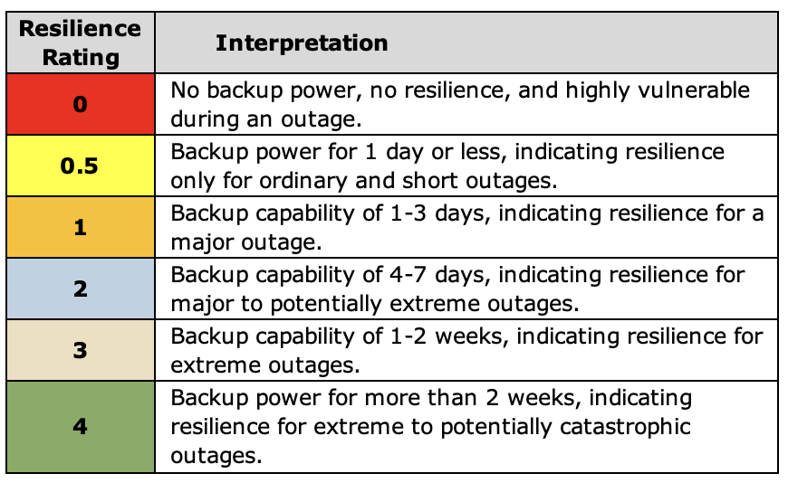

Click on Microsoft Word icon above to open the Vulnerability Analysis guidance.

Public Health and Safety | Resilience Rating | Emergency Management | Resilience Rating | Community Necessities | Resilience Rating
9-1-1 call center |  | Emergency command center |  | Public phone & internet access
Fire protection |  | Community shelter |  | Public transportation
Rescue squad or ambulance |  | Distribution of necessities |  | Local TV or radio station
Acute medical care facility |  | Public communication |  | Food bank or pantry
Police department |  | Special needs transportation |  | Grocery store
Municipal water supply |  | Animal shelter |  | Gas stations
Municipal sewer & wastewater |  | Debris clearing |  | Pharmacies
Municipal trash collection |  | Search and rescue |  | Banks and ATMs

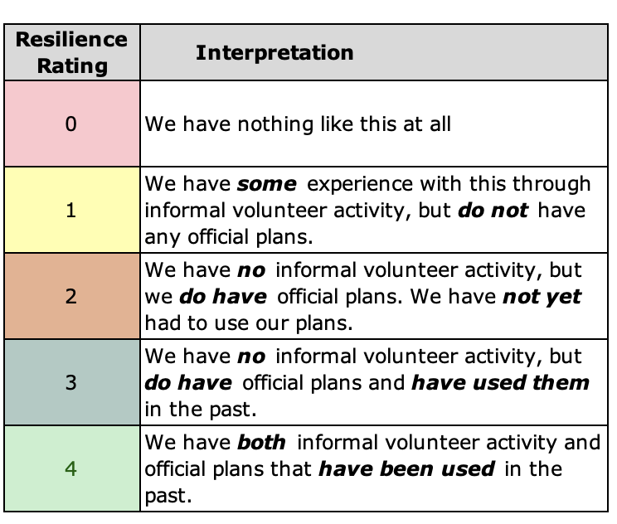
Support of Vulnerable Households |  |  |  |  | Resilience Rating
Resilience Ratings for Support of Vulnerable Households |  | Our community is able to identify households without transportation and relocate them to a safer place (if needed) for a power outage longer than 1 day.
 |  | Our community is able to provide potable water for homes that use well water for a power outage longer than 1 day.
 |  | Our community has an alert system that helps people with limited English understand emergency or severe-weather warnings.
 |  | Our community is able to identify households dependent on home health care equipment and provide them with a source of electricity for their equipment (if needed) for a power outage longer than 1 day.
 |  | Our community is able to identify households dependent on home health caregivers, do a wellness check, and then act on any needs for a power outage longer than 1 day.
 |  | Our community has a shelter where vulnerable people can go to stay warm or cool during an extended power outage.
 |  | Our community has a cooling center where vulnerable people can go during extreme heat, even if there is no power outage.
 |  | Our community has a warming center where vulnerable people can go during extreme heat, even if there is no power outage.

